Data
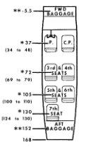
 |  |  |  | Moments |  |  | Location | ARM | Page 2-6 Weight Limits
 |  |  |  | 87,784 | Aircraft |  | FWD Baggage | -5.50 | Max Wt in Baggage Comp
 |  |  |  | 7,400 | Pilot/Copilot |  | P/CP Seats | 37.00 | Forward, staton -14 to 0 = 120 |  |  |  | Center -7.0
Calcs based on 10# incruments |  |  |  | 6,660 | Copilot Seat |  | Seats 1/2 | 72.00 | Aft, Station 142 to 168 = 180 |  |  |  | Center 155
 |  |  |  | 29,520 | Seat 1/2 |  | Seats 3/4 | 105.00 |  |  |  |  |  | 155
Weight | Fwd Limit |  |  | 34,650 | Seat 3/4 |  | Seats 5/6 | 130.00 | Use -5.5 and 152.0 per Fig 6-3
2,000 | 31.00 |  |  | 0 | Seat 5/6 |  | Fuel | 48.00
2,010 | 31.00 |  |  | 11,520 | Fuel |  | Cargo A | 38.00 |  | Weight 05/09/2014 |  | 2,310.98 | 38.45
2,020 | 31.00 |  |  | -165 | 30# Survival Gear |  | Cargo B | 75.0 |  |  |  |  | Seat weight ??
2,030 | 31.00 |  |  | -275 | FWD Baggage |  | Cargo C | 105.00 | Survival Gear |  |  |  | Pilot/copilot | 13.0 | each | Utililine Drawing 0714024 13.0 lb @ 44.5" each
2,040 | 31.00 |  |  | 0 | Cargo A |  | Cargo D | 130.00 |  | 30 | wt |  | Rows 2 & 3 | 8.1 | each | Utililine Drawing 1214127 8.1 lb @ 72" & 106.1" each
2,050 | 31.00 |  |  | 0 | Cargo B |  | AFT Baggage | 152.00 | NOSE | -5.5 | arm |  | Row 4 | 6.5 | each | Utililne Drawing 1214016 6.5 lb @ 134 each
2,060 | 31.00 |  |  | 0 | Cargo C |  |  |  | AFT | 158 | arm
2,070 | 31.00 |  |  | 8,450 | Cargo D |  | Fuel In Pounds | 240.0
2,080 | 31.00 |  |  | 0 | AFT Baggage |  |  |  |  | Max Nose | Max 120# |  |  |  |  | NOTE Seat Arms are different than Pax Arms
2,090 | 31.00 |  |  | 185,544 | < - Total Moment as Loaded |  |  |  |  | Max AFT | Max 180# |  |  |  |  | Seat Config weights per AFM Factory Equipment List
2,100 | 31.00 |  | A/C - Loaded > | 3,800 | 48.83 | <- Loaded C.G. |  |  |  | Max Nose with SG | Max 90# |  |  |  |  |  |  | Wt. | Arm | Mom
2,110 | 31.00 |  | A/C - Empty > | 2,295 | 38.25 | <- Empty C.G. |  |  |  | Max AFT with SC | Max 150# |  |  |  |  | As weight config 1 |  | 2,341.0 | 39.91 | 93429.31
2,120 | 31.00 |  |  |  |  |  |  |  |  |  |  |  |  |  |  |  | Remove S. G. | -30.0 | 152.00 | -4560
2,130 | 31.00 |  |  |  |  |  |  |  |  |  |  |  |  |  |  | Config 1 EWCG | 1 | 2,311.0 | 38.45 | 88,869
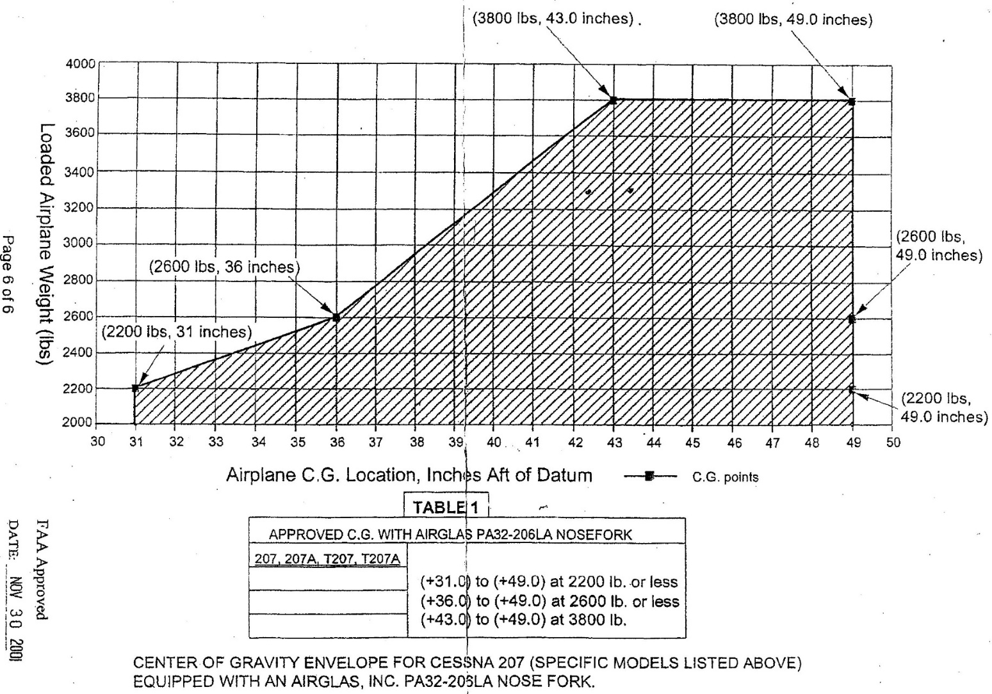
2,140 | 31.00 |  |  |  |  |  |  |  |  |  |  |  |  |  |  | Config 2 Calc (-seat 5) | 2 | 2,302.9 | 38.12 | 87,784
2,150 | 31.00 |  | C.G. Claculation boxes |  |  |  |  |  |  |  |  |  |  |  |  | Config 3 Calc (-seat 5,6) | 3 | 2,294.8 | 38.25 | 87,784
2,160 | 31.00 |  |  | BAD |  |  |  |  |  |  |  |  |  |  |  | Config 4 (-seat 4,5,6) | 4 | 2,286.7 | 38.01 | 86,925
2,170 | 31.00 |  | OK | OK |  |  |  |  |  |  |  |  |  |  |  | Config 5 (-seat 3,4,5,6) | 5 | 2,278.6 | 37.77 | 86,065
2,180 | 31.00 |  |  |  |  |  |  |  |  |  |  |  |  |  |  | Config 6 (-seat 2,3,4,5,6) | 6 | 2,270.5 | 37.65 | 85,482
2,190 | 31.00 |  |  |  |  |  |  |  |  |  |  |  |  |  |  | Config 7 Calc | 7 | 2,262.4 | 37.53 | 84,899
2,200 | 31.00 |  |  |  |  |  |  |  |  |  |  |  |  |  |  | Config 8 Calc | 8 | 2,249.4 | 37.49 | 84,320
2,210 | 31.13 | 1 |  |  |  |  |  |  |  |  |  |  |  |  |  | Config 9 Calc | 9 | 2,294.8 | 37.63 | 86,353
2,220 | 31.25 | 2 | 0.13 | Variable 1 |  |  |  |  |  |  |  |  |  |  |  | Config 10 Calc | 10 | 2,288.3 | 37.37 | 85,508
2,230 | 31.38 | 3
2,240 | 31.50 | 4 |  |  |  |  |  |  |  |  |  |  |  |  |  | Selected Config-> |  |  | 3
2,250 | 31.63 | 5
2,260 | 31.75 | 6
2,270 | 31.88 | 7
2,280 | 32.00 | 8
2,290 | 32.13 | 9
2,300 | 32.25 | 10
2,310 | 32.38 | 11
2,320 | 32.50 | 12
2,330 | 32.63 | 13
2,340 | 32.75 | 14
2,350 | 32.88 | 15
2,360 | 33.00 | 16
2,370 | 33.13 | 17
2,380 | 33.25 | 18
2,390 | 33.38 | 19
2,400 | 33.50 | 20
2,410 | 33.63 | 21
2,420 | 33.75 | 22
2,430 | 33.88 | 23
2,440 | 34.00 | 24
2,450 | 34.13 | 25
2,460 | 34.25 | 26
2,470 | 34.38 | 27
2,480 | 34.50 | 28
2,490 | 34.63 | 29
2,500 | 34.75 | 30
2,510 | 34.88 | 31
2,520 | 35.00 | 32
2,530 | 35.13 | 33
2,540 | 35.25 | 34
2,550 | 35.38 | 35
2,560 | 35.50 | 36
2,570 | 35.63 | 37
2,580 | 35.75 | 38
2,590 | 35.88 | 39
2,600 | 36.00 | 40
2,610 | 36.06 | 1
2,620 | 36.12 | 2 | 0.058333333333 | Variable 2
2,630 | 36.17 | 3
2,640 | 36.23 | 4
2,650 | 36.29 | 5
2,660 | 36.35 | 6
2,670 | 36.41 | 7
2,680 | 36.47 | 8
2,690 | 36.52 | 9
2,700 | 36.58 | 10
2,710 | 36.64 | 11
2,720 | 36.70 | 12
2,730 | 36.76 | 13
2,740 | 36.82 | 14
2,750 | 36.87 | 15
2,760 | 36.93 | 16
2,770 | 36.99 | 17
2,780 | 37.05 | 18
2,790 | 37.11 | 19
2,800 | 37.17 | 20
2,810 | 37.22 | 21
2,820 | 37.28 | 22
2,830 | 37.34 | 23
2,840 | 37.40 | 24
2,850 | 37.46 | 25
2,860 | 37.52 | 26
2,870 | 37.57 | 27
2,880 | 37.63 | 28
2,890 | 37.69 | 29
2,900 | 37.75 | 30
2,910 | 37.81 | 31
2,920 | 37.87 | 32
2,930 | 37.92 | 33
2,940 | 37.98 | 34
2,950 | 38.04 | 35
2,960 | 38.10 | 36
2,970 | 38.16 | 37
2,980 | 38.22 | 38
2,990 | 38.27 | 39
3,000 | 38.33 | 40
3,010 | 38.39 | 41
3,020 | 38.45 | 42
3,030 | 38.51 | 43
3,040 | 38.57 | 44
3,050 | 38.62 | 45
3,060 | 38.68 | 46
3,070 | 38.74 | 47
3,080 | 38.80 | 48
3,090 | 38.86 | 49
3,100 | 38.92 | 50
3,110 | 38.97 | 51
3,120 | 39.03 | 52
3,130 | 39.09 | 53
3,140 | 39.15 | 54
3,150 | 39.21 | 55
3,160 | 39.27 | 56
3,170 | 39.32 | 57
3,180 | 39.38 | 58
3,190 | 39.44 | 59
3,200 | 39.50 | 60
3,210 | 39.56 | 61
3,220 | 39.62 | 62
3,230 | 39.67 | 63
3,240 | 39.73 | 64
3,250 | 39.79 | 65
3,260 | 39.85 | 66
3,270 | 39.91 | 67
3,280 | 39.97 | 68
3,290 | 40.02 | 69
3,300 | 40.08 | 70
3,310 | 40.14 | 71
3,320 | 40.20 | 72
3,330 | 40.26 | 73
3,340 | 40.32 | 74
3,350 | 40.37 | 75
3,360 | 40.43 | 76
3,370 | 40.49 | 77
3,380 | 40.55 | 78
3,390 | 40.61 | 79
3,400 | 40.67 | 80
3,410 | 40.72 | 81
3,420 | 40.78 | 82
3,430 | 40.84 | 83
3,440 | 40.90 | 84
3,450 | 40.96 | 85
3,460 | 41.02 | 86
3,470 | 41.07 | 87
3,480 | 41.13 | 88
3,490 | 41.19 | 89
3,500 | 41.25 | 90
3,510 | 41.31 | 91
3,520 | 41.37 | 92
3,530 | 41.42 | 93
3,540 | 41.48 | 94
3,550 | 41.54 | 95
3,560 | 41.60 | 96
3,570 | 41.66 | 97
3,580 | 41.72 | 98
3,590 | 41.77 | 99
3,600 | 41.83 | 100
3,610 | 41.89 | 101
3,620 | 41.95 | 102
3,630 | 42.01 | 103
3,640 | 42.07 | 104
3,650 | 42.12 | 105
3,660 | 42.18 | 106
3,670 | 42.24 | 107
3,680 | 42.30 | 108
3,690 | 42.36 | 109
3,700 | 42.42 | 110
3,710 | 42.47 | 111
3,720 | 42.53 | 112
3,730 | 42.59 | 113
3,740 | 42.65 | 114
3,750 | 42.71 | 115
3,760 | 42.77 | 116
3,770 | 42.82 | 117
3,780 | 42.88 | 118
3,790 | 42.94 | 119
3,800 | 43.00 | 120

